How to Use this File 1
This Excel Workbook is a tool to help applicants complete the various application forms.
Please fill out Sheets A and B and submit all necessary documents by email to the Fukushima Prefecture Tourism & Local Products Association by the deadline.
In the event that a Land Operator is processing this application on behalf of a tour company, it is necessary to submit 'Form No. 4 Power of Attorney'. This must be submitted after being filled out by the Land Operator and tour company who planned the tour.
How to Use this File to Complete Application Forms (Fiscal Year 2025)
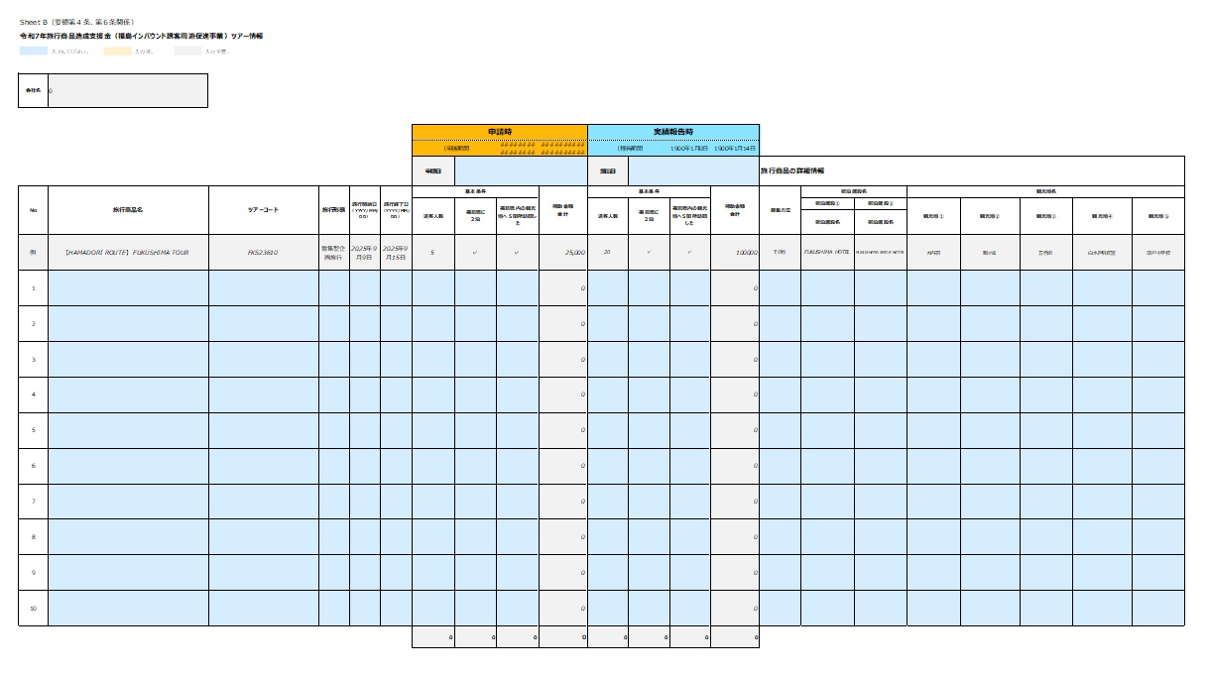
Form #1
Form #2
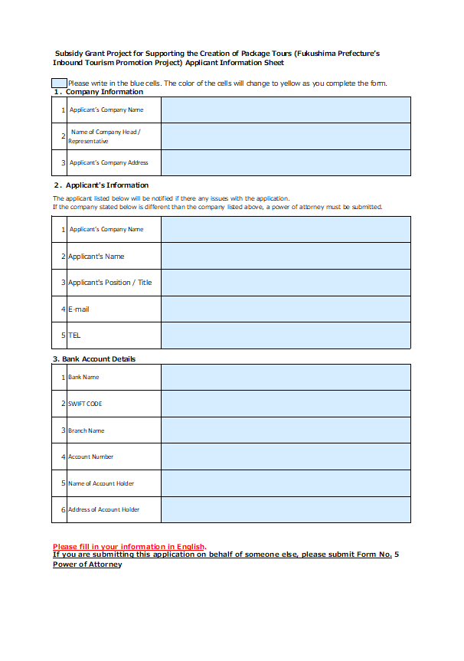

―――――――――――――――――――――――
Name List
――――― ―――――
――――― ―――――
――――― ―――――
――――― ―――――
――――― ―――――
――――― ―――――
――――― ―――――

shien@tif.ne.jp
Form #3
STEP 3
- Please e-mail the data of the application documents along with the required forms and required attachments to us by the submission deadline.

STEP 1
Fill out the sheet "Sheet A | Applicant Information Sheet"
STEP 2
- Fill out the sheet "Sheet B | Tour Details ＆ Info" with the required information.
- The blue area is where you need to enter the information.
- The subsidy amount will be automatically calculated.
- After filling the required information, the application form will be completed automatically on a separate sheet.
It is now possible to submit copies of accommodation certificates instead of originals. However, in the case of applying with a Power of Attorney, the original Power of Attorney bearing a stamp must be submitted to the address below.
To: Yinrong Chen, Rin Onodera
Fukushima Prefecture Tourism & Local Products Association
7F Corasse Fukushima,1-20 Mikawaminami-machi Fukushima City,
Fukushima Prefecture 960-8053 JAPAN

Q. What documents need to be submitted in order for my application to be processed?
A. Please submit the documents listed below
Items to submit between 35 and 7 days before the tour start date
□ Form #1: Travel Product Development Subsidy Application Form
□ Sheet B: Tour Details and Info
□ Tour Itinerary
□ Documents verifying the application details
□ Applicant Information Sheet
□ Copies of the business cards of the corporate representative
and / or the person in charge of the application
□ A Copy of the passbook for the bank account to be
transferred into (or: Internet bank account information)
Items to submit within 14 days of the tour ending
□ Form #3: Performance Report and Invoice
□ Sheet B: Tour Details and Info
□ Final Itinerary
□ Final Participant List
□ Copies of the accommodation certificates
※Only those with the number of guests clearly indicated will be accepted.
(1) Accommodation certificate (issued by the accommodation facility)
→The seal of the accommodation facility must be stamped.
(2) Receipt (issued by the accommodation facility)
→The receipt must be issued in the official format of the accommodation facility,
with or without a seal.
(3) Invoice
→The invoice must be stamped with the name of the accommodation facility.
Forms to be submitted in case of cancellation of the application □ Form No. 3: Request for Application Cancellation

Items to submit if applying through an appointed representative.
□Form No. 4: Power of Attorney*
*Only an original copy bearing a stamp will be accepted.

Sheet A｜Applicant Info
Example
Sheet A: Travel Product Development Subsidy Applicant Information Sheet (Fukushima Inbound Tourism Promotion Project)
 | Please write in the blue cells. The color of the cells will change to yellow as you complete the form.
１．Company Information
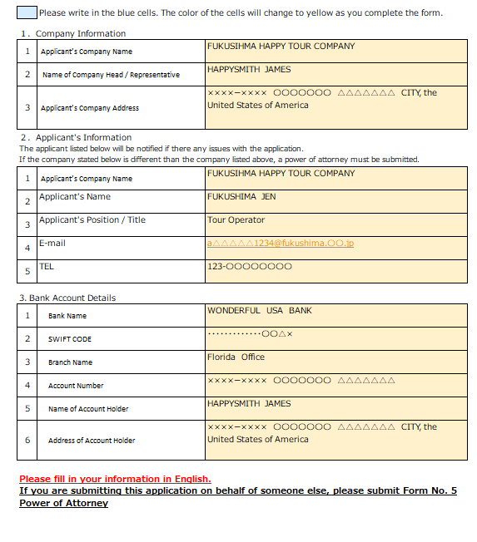
1 | Applicant’s Company Name
2 | Name of Company Head / Corporate Representative
3 | Applicant’s Company Address
２．Applicant's Information
The applicant listed below will be notified if there any issues with the application.
1 | Applicant’s Company Name
2 | Applicant's Name
3 | Applicant's Position / Title
4 | E-mail
5 | TEL
3. Bank Account Details
1 | Bank Name
2 | SWIFT CODE
3 | Branch Name
4 | Account Number
5 | Name of Account Holder
6 | Address of Account Holder

Please fill in your information in English.
If you are submitting this application on behalf of someone else, please submit Form No. 4 Power of Attorney

Sheet B | Tour Details & Info
When copying and pasting within the form, paste only the value to avoid formatting issues.
Sheet B: Package Tour Details and Information (In relation to Article 4 and Article 6 of the 2025 Travel Product Development Subsidy Guidelines)
Please write your tour information in the blue cells.
Please do not write in grey cells.
Cells you have completed will turn yellow for confirmation.

Applicant’s Company Name | 0

 |  |  |  |  |  | Please complete at time of Application |  |  |  | Please complete at the time of Report Submission
 |  |  |  |  |  | （Application Period | -35 | ~ | -7 | (Reporting Period | 0 | ~ | 1900-01-14
欧米豪市場（￥5,000/名）JPY5,000/participant |  |  |  |  |  | Submission Date (YYYY/MM/DD) |  |  |  | Submission Date (YYYY/MM/DD) |  |  |  | TOUR DETAILS
No | Name of Package Tour(s) | Tour Code(s) | Type of Tour | Tour Start Date (YYYY/MM/DD) | Tour End Date (YYYY/MM/DD) | Standard Grant JPY5,000/participant |  |  | Total Subsidy Grant Amount | Standard Grant JPY5,000/participant |  |  | Total Subsidy Grant Amount | Advertising Method | Names of Accommodation Facilities |  |  | Names of Tourist Destinations Visited
 |  |  |  |  |  | No. of Tour Participants | Stay 3 nights in Fukushima | Visit 5 destinations in Fukushima |  | No. of Tour Participants | Stay 3 nights in Fukushima | Visit 5 destinations in Fukushima |  |  | Accommodat- ion Facilities ① | Accommodat- ion Facilities ② | Accommodat- ion Facilities ③ | Place No.1 | Place No.2 | Place No.3 | Place No.4 | Place No.5

Example | 【HAMADORI ROUTE】 FUKUSHIMA TOUR | FKS23610 | Agent-Organized Tour | 2025-06-10 | 2025-06-15 | 4 | ✓ | ✓ | 20,000 | 20 | ✓ | ✓ | 100,000 | Online | Fukushima happy Hotel | Fukushima Smile Hotel | Fukushima Smile Hotel | Ouchi-juku | Tsurugajo Castle | Lake Inawashiro | Goshiki numa Ponds | Ukedo Elementary School
1 |  |  |  |  |  |  |  |  | 0 |  |  |  | 0
2 |  |  |  |  |  |  |  |  | 0 |  |  |  | 0
3 |  |  |  |  |  |  |  |  | 0 |  |  |  | 0
4 |  |  |  |  |  |  |  |  | 0 |  |  |  | 0
5 |  |  |  |  |  |  |  |  | 0 |  |  |  | 0
6 |  |  |  |  |  |  |  |  | 0 |  |  |  | 0
7 |  |  |  |  |  |  |  |  | 0 |  |  |  | 0
8 |  |  |  |  |  |  |  |  | 0 |  |  |  | 0
9 |  |  |  |  |  |  |  |  | 0 |  |  |  | 0
10 |  |  |  |  |  |  |  |  | 0 |  |  |  | 0
 |  |  |  |  |  | 0 | 0 | 0 | 0 | 0 | 0 | 0 | 0

 |  | YYYY/MM/DD |  | YYYY/MM/DD
 | Departure date(s) available for application (based on application date) | 1900-01-07 | ~ | 1900-02-04

Form#2 Cancellation Request
Please type directly into this sheet.
 | Form No. 2 (In relation to Article 5 of the 2025 Travel Product Development Subsidy Guidelines)
 | 第２号様式（要領第5条関係） |  |  |  |  |  |  | YYYY/MM/DD

 | For the attention of the President of Fukushima Prefecture Tourism & Local Products Association
 | 公益財団法人福島県観光物産交流協会理事長 様

Application for Cancellation Approval of the Travel Product Development Subsidy (Fukushima Inbound Tourism Promotion Project)
令和７年度旅行商品造成支援金中止承認申請書（福島インバウンド誘客周遊促進事業）

As detailed below, I would like to change the project plans for the above package tour, and am therefore applying in accordance with Article 5 of the 2025 Travel Product Development Subsidy Guidelines (Fukushima Inbound Tourism Promotion Project). 下記のとおり、上記事業の事業計画を変更したいので、令和７年度旅行商品造成支援金要領（福島インバウンド誘客周遊促進事業）第５条に基づき、承認してくださるよう申請します。

Applicant Information (申請者):
Address of Applicant’s Company: 会社住所 : |  |  |  |  |  |  | 0 |  |  |  |  | Please complete 'Address of Applicant’s Company' in 'Sheet A | Applicant Info'
Applicant’s Company Name: 会社名 |  |  |  |  |  |  | 0 |  |  |  |  | Please complete ' Applicant’s Company Name' in 'Sheet A | Applicant Info'
Name of corporate representative : 代表者名: |  |  |  |  |  |  | 0 |  |  |  |  | Please complete ' Name of Applicant' in 'Sheet A | Applicant Info'

Please type directly into this sheet.
1 |  | Date of Decision to Cancel/交付決定日

2 |  | Travel Period/申請旅行期間
 |  |  | 0 | - | 0 |  |  |  |  |  |  | Please complete 'Tour Start Date' in 'Sheet B | Tour Details & Info'
 |  |  |  |  |  |  |  |  |  |  |  | Please complete 'Tour End Date' in 'Sheet B | Tour Details & Info'
3 |  | Reason for Cancellation/中止の理由
Please type directly into this sheet.
4 |  | Details regarding Cancellation/中止の内容
 |  | Prior to Cancellation/中止前 |  |  |  | No. of Participants/支援対象人数 |  |  | ： | 0 | PEOPLE/人 | Please complete 'At the time ofApplication' in 'Sheet B | Tour Details & Info'
 |  |  |  |  |  | Subsidy Amount/支援金額 |  |  | ： | 0 | JPY/円 | Please complete 'At the time ofApplication' in 'Sheet B | Tour Details & Info'
 |  | After Cancellation/中止後 |  |  |  | No. of Participants/支援対象人数 |  |  | ： | NONE
 |  |  |  |  |  | Subsidy Amount/支援金額 |  |  | ： | NONE

Form#3 Report and Invoice
 | Form No. 3 (In relation to Article 6 of the 2025 Travel Product Development Subsidy Guidelines)
 | 第３号様式（要領第６条関係） |  |  |  |  |  |  |  |  | 0 | Please complete Report Submission Date in 'Sheet B | Tour Details & Info'

For the attention of the President of Fukushima Prefecture Tourism & Local Products Association
公益財団法人福島県観光物産交流協会理事長 様

Travel Product Development Subsidy Performance Report and Invoice (Fukushima Inbound Tourism Promotion Project)
令和７年度旅行商品造成支援支援金実績報告書兼請求書（福島インバウンド誘客周遊促進事業）

I conducted the package tour, as detailed below, as part of the Fukushima Prefecture’s Inbound Tourism Promotion Project. In accordance with Article 6 of the 2025 Travel Product Development Subsidy Guidelines, I am reporting the results. Please transfer the subsidy amount to the bank account listed below, upon the completed examination of this package tour report. 下記のとおり、上記事業を実施したので、令和７年度旅行商品造成支援金要領（福島インバウンド誘客周遊促進事業）第６条に基づき、その実績を報告します。 ご確認の上は、下記口座まで支援金をお振込みくだいますようお願い申し上げます。

Applicant Information (申請者):
Address of Applicant’s Company: 会社住所 : |  |  |  |  | 0 |  |  |  |  |  | Please complete 'Address of Applicant’s Company' in 'Sheet A | Applicant Info'
Applicant’s Company Name: 会社名： |  |  |  |  | 0 |  |  |  |  |  | Please complete ' Applicant’s Company Name' in 'Sheet A | Applicant Info'
Name of corporate representative : 代表者名: |  |  |  |  | 0 |  |  |  |  |  | Please complete ' Name of Applicant' in 'Sheet A | Applicant Info'
Stamp or Signature
1 |  | Decided Amount of Subsidy to be Granted |  |  |  | 0 | JPY/円
 |  | 支援金の決定額 |  |  |  |  |  |  |  |  | Please complete 'Sheet B | Tour Details & Info'
2 |  | Travel Period: |  |  |  | 0 |  | - | 0 |  | Please complete 'Tour Start Date' in ''Sheet B | Tour Details & Info'
 |  | 申請旅行期間
4 |  | Accompanying Documents/添付書類 :
 |  | (1) | Sheet B : Tour Details and Information(Report Submission)/Sheet B：ツアー情報（「実績報告時」の欄 ）
 |  | (2) | Final Itinerary/最終旅程表
 |  | (3) | Final Tour Participant List/最終参加者リスト
 |  | (4) | Copies of the accommodation certificates or receipts issued by the accommodation facility /宿泊施設が発行した宿泊証明書の写しまたは領収書の写し
5 |  | Bank Account Details / 振込口座情報
 |  | (1) | Bank Name: 金融機関名 | 0 |  |  |  |  |  |  | Please complete 'Bank Name' in 'Sheet A | Company Info'
 |  | (2) | SWIFT CODE: | 0 |  |  |  |  |  |  | Please complete 'SWIFT CODE' in 'Sheet A | Company Info'
 |  | (3) | Branch Name: 支店名 | 0 |  |  |  |  |  |  | Please complete 'Branch Name' in 'Sheet A | Company Info'
 |  | (4) | Account Number: 口座番号 | 0 |  |  |  |  |  |  | Please complete 'Account Number' in 'Sheet A | Company Info'
 |  | (5) | Name of Account Holder: 口座名義 | 0 |  |  |  |  |  |  | Please complete 'Name of Account Holder' in 'Sheet A | Company Info'
 |  | (6) | Address of Account Holder: 口座名義人住所 |  |  |  |  |  |  |  | Please complete 'Address of Account Holder' in 'Sheet A | Company Info'
 |  |  | 0

Form#4 Power of Attorney
This below sheet is for the applicant and the appointed representative to complete. Please type the information directly into this sheet, and print it out.
 | Form No. 4(In relation to Article 7 of the 2025 Travel Product Development Subsidy Guidelines)
 | 第４号様式（要領第７条関係）
Stamp and send this document in its original form.
Power of Attorney form
委任状

Please type directly into this sheet.
I entrust the responsibilities below to the person listed below as my appointed representative.
 |  | Name of Appointed Representative:
 |  | 代理人名
 |  | Appointed Representative’s Workplace Name:
 |  | 代理人の会社名
In this 'Power of Attorney' form, the "Appointed Representative" is the person who will move forward with the paperwork for this application, or the person who will receive the subsidy grant, in the place of the company that planned the tour.
 |  | Appointed Representative’s Workplace Address:
 |  | 代理人の住所

Please click here and choose from the drop-down list.
Entrusted Responsibilities/委任事項
 | 1 | Relating to the issuance of the Fukushima Inbound Tourism Promotion Project 令和７年度旅行商品造成支援金交付の件
 |  | Completion of the grant application process for the issuance of the subsidy & receipt of the subsidy grant amount/支援金申請手続き と支援金の受取

 | 2 | Application Date/申請書の申請日
 |  | 0

 | 3 | Travel Period/申請旅行期間 |  |  |  | Please complete 'Tour Start Date' in Sheet B | Tour Details & Info'
 |  | 0 | - | 0 |  | Please complete 'Tour End Date' in Sheet B | Tour Details & Info'
In this 'Power of Attorney' form, the "Applicant" refers to the company which planned the tour.
Applicant/申請者
 |  | Date: (YYYY/MM/DD) |  |  | 0
 |  | Address of Applicant’s Company: |  |  | 0
 |  | 申請者住所 |  |  |  | Please complete 'Address of Applicant’s Company' in 'Sheet A |Applicant Info'
 |  | Company Name: |  |  | 0 | Please complete 'Applicant’s Company Name' in 'Sheet A | Applicant Info'
 |  | 会社名
 |  | Name of Applicant: |  |  | 0 | Please complete 'Name of Applicant' in 'Sheet A | Applicant Info'
 |  | 代表者名

Stamp or Signature
Please press your official company stamp inside the box after printing.
 |  | Official company stamp :
 |  | 印またはサイン

 | Appointed Representative/代理人
 |  | Date: (YYYY/MM/DD) |  |  | 0
 |  | Appointed Representative’s Workplace Address:
 |  | 代理人の住所 |  |  |  | Please complete 'Appointed Representative’s Workplace Address' in this sheet.

 |  | Appointed Representative’s Workplace Name: |  |  |  | Please complete 'Appointed Representative’s Workplace Name' in this sheet.
 |  | 代理人の会社名
 |  | Name of Appointed Representative: |  |  |  | Please complete 'Name of Appointed Representative' in this sheet.
 |  | 代理人名

Stamp or Signature
Please press your official company stamp inside the box after printing.
 |  | Official company stamp
 |  | 印またはサイン

